KKO
KAJIAN KELAYAKAN OPERASI

DAYA LAMA |  |  |  | DAYA BARU
Nama Pelanggan | : | SITI SUMINI |  | Nama Pelanggan | : | SITI SUMINI
Daya Lama (VA) | : | 0 |  | Daya Baru (VA) | : | 11000
Jumlah Fasa | : | 1 | * | Jumlah Fasa | : | 1
Tegangan Sekunder Pengukuran rata-rata (Fasa-Netral) (V) | : | 220 | * | Tegangan Sekunder Pengukuran rata-rata (Fasa-Netral) (V) | : | 220
Beban Pelanggan (A) | : | 0.00 |  | Beban Pelanggan (A) | : | 50.14

SUPLAI TRAFO EKSISTING |  |  |  | SUPLAI TRAFO RENCANA
Nomor Tiang | : |  |  | Nomor Tiang | :
Penyulang | : |  |  | Penyulang | : | SGB02
Daya | : |  | * | Daya | : | 50
Jumlah Fasa | : |  | * | Jumlah Fasa | : | 3
Beban TRAFO (Pengukuran Lapangan) |  | 100 |  | Beban TRAFO | : | 50.14
Beban Primer | : | 0.00 | * | Beban Primer | : | 1.44
Beban Sekunder | : | 0.00 | * | Beban Sekunder | : | 75.97
Beban (A) | : | 0.00 |  | Beban (A) | : | #VALUE!
Prosentase Pembebanan | : | #DIV/0! |  | Beban (A) | : | 66%
 | 66% | 100%
Prosentase Pembebanan | : | 100% |  | Beban (A) | : | 100%

DATA





DATA
Tahun | : | 2022
Discount Rate | : | 12%
Transfer price TM | : | 1,084 |  | Marginal COST maret 2022
Umur ekonomis (tahun) | : | 25.00
Selisih Susut Teknis | : | 2.25%
∑ Daya | : | 11
BP (Rp) | : | 10,307,000
RAB (Rp) | : | 46,644,451
Biaya O&M (2% invest) | : | 932,889.03

Nama Pelanggan | : | SITI SUMINI | *
Golongan Pelanggan | : | B2 | *
Jenis Layanan | : | REGULER | *
Daya Lama (kVA) | : | - | *
Daya Baru (kVA) | : | 11 | *
Tarif WBP (Rp/kWh) | : | 1,444.70 | *
Tarif LWBP (Rp/kWh) | : | 1,444.70 | *
BP (Rp/VA) TR | : | 937 | *
Jam Nyala | : | 40 | *

RAB
 |  | PT. PLN ( PERSERO )
 |  | UNIT INDUK DISTRIBUSI JAWA TENGAH & DI YOGYAKARTA |  |  |  |  |  |  |  |  |  | RAB TOTAL
 |  | UP3 DEMAK |  |  |  |  |  |  |  |  | RAB TOTAL | RAB NON MDU
 | RENCANA ANGGARAN BIAYA (RAB)

 |  |  |  | Pekerjaan | : | SITI SUMINI
 |  |  |  | Lokasi | : | JL. RAYA SEMARANG - PURWODADI KM. 27 DESA MANGUNSARI
 |  |  |  | Pelaksana | : | PT. PLN (PERSERO) UP3 DEMAK
 |  |  |  | Anggaran | : | SAR 2023

Note !! 1. Saat Pengisian Uraian di mohon memasukan nama material sesuai dengan nama material di harga satuan
2. Mohon di cek kembali saat pengisian volume material
3. Untuk program Sarana Penunjang Fungsi tidak perlu SLO.
 | NO | URAIAN | GOL | SAT | VOL | HARGA SATUAN | BIAYA YANG DIPERLUKAN ( Rp )
 |  |  |  |  |  |  | MDU | HARDWARE | JASA | JUMLAH

#REF! | A | PEMASANGAN TIANG |  |  |  | 0 | 0 | 0 | 0 | 0
#REF! | + | Tiang Beton 9M-200 daN+E | HDW | Unit | 1 | 3,382,600 | 0 | 3,382,600 | 0 | 3,382,600
#REF! | + | Penomoran Tiang | JASA | Unit | 1 | 10,067 | 0 | 0 | 10,067 | 10,067
#REF! | + | Penghalang Panjat dan Papan Peringatan | HDW | Unit | 2 | 200,000 | 0 | 400,000 | 0 | 400,000
 |  |  |  |  |  | 0 | 0 | 0 | 0 | 0
 | B | PEKERJAAN PEMASANGAN KONSTRUKSI TM |  |  |  | 0 | 0 | 0 | 0 | 0
#REF! |  |  |  |  |  | 0 | 0 | 0 | 0 | 0
#REF! | + | Trafo 1 Fasa CSP 50 KVA (G105, G106, G136) |  | Unit | 1 | 0 | 0 | 0 | 0 | 0
#REF! | 1 | Trafo 1 Fasa CSP 50 kVA | MDU-KD | Bh | 1 | 27,845,400 | 27,845,400 | 0 | 0 | 27,845,400
 | 2 | Jumper Wire : |  |  |  | 0 | 0 | 0 | 0 | 0
1 |  | AAAC 70 mm² | MDU-KD | Mtr | 2 | 14,200 | 28,400 | 0 | 0 | 28,400
1 |  | NFA2X-T 2 x 70 + N 50 mm² |  |  | 2 | 0 | 0 | 0 | 0 | 0
1 | 3 | Hot Line Clamp ( 35mm² s/d 70 mm² ) | HDW | Bh | 1 | 87,000 | 0 | 87,000 | 0 | 87,000
#REF! | 4 | Bracket band segment,vertikal plat ( Hot dip galvanis ) | HDW | Bh | 2 | 404,600 | 0 | 809,200 | 0 | 809,200
#REF! | 5 | Compresion Conector H type 70 mm² / 70 mm² | HDW | Bh | 3 | 15,900 | 0 | 47,700 | 0 | 47,700
1 | 6 | Compresion Terminal Lug 70 mm² | HDW | Bh | 2 | 17,100 | 0 | 34,200 | 0 | 34,200
1 | 7 | Sepatu Kabel AL/CU Ring-70 mm² |  |  | 4 | 0 | 0 | 0 | 0 | 0
1 | 8 | Armour Rod # for 70 mm² | HDW | Set | 1 | 67,800 | 0 | 67,800 | 0 | 67,800
#REF! | 9 | Ground wire Cu 16 mm² | HDW | Mtr | 2 | 30,000 | 0 | 60,000 | 0 | 60,000
#REF! | 10 | Upah Pasang Trafo 1 Fasa 50 KVA + Bracket | JASA | Unit | 1 | 346,400 | 0 | 0 | 346,400 | 346,400

#REF! | + | CJ6-T |  | Unit | 2 | 0 | 0 | 0 | 0 | 0
 | 1 | Dead End Assembly | HDW | Bh | 2 | 78,500 | 0 | 157,000 | 0 | 157,000
1 | 2 | Plastic Strap for Clamping | HDW | Bh | 2 | 4,212 | 0 | 8,424 | 0 | 8,424
1 | 3 | Stainless Steel Strap 20 x 0.7 mm | HDW | Mtr | 2 | 23,310 | 0 | 46,620 | 0 | 46,620
#REF! | 4 | Stopping Buckle / Yokes | HDW | Bh | 2 | 2,300 | 0 | 4,600 | 0 | 4,600
#REF! | 5 | Upah Pasang Konst. JTR J6-T | JASA | Unit | 2 | 35,700 | 0 | 0 | 71,400 | 71,400
1 |  |  |  |  |  | 0 | 0 | 0 | 0 | 0
1 | + | CM2-12 |  | Unit | 2 | 0 | 0 | 0 | 0 | 0
1 | 1 | Bimetalic Connector 35 - 240 mm² | HDW | Bh | 2 | 47,459 | 0 | 94,918 | 0 | 94,918
#REF! | 2 | Ground wire Cu 16 mm² | HDW | Mtr | 1.6 | 30,000 | 0 | 48,000 | 0 | 48,000
#REF! | 3 | Ground rod & Washer | HDW | Bh | 2 | 9,500 | 0 | 19,000 | 0 | 19,000
 | 4 | Upah Pasang Acc.Jar M2-12 | JASA | Unit | 2 | 16,200 | 0 | 0 | 32,400 | 32,400
#REF! |  |  |  |  |  | 0 | 0 | 0 | 0 | 0
#REF! | + | CM2-12A |  | Unit | 2 | 0 | 0 | 0 | 0 | 0
1 | 1 | Bimetalic Connector 35 - 240 mm² | HDW | Bh | 2 | 47,459 | 0 | 94,918 | 0 | 94,918
1 | 2 | Ground wire Cu 16 mm² | HDW | Mtr | 2 | 30,000 | 0 | 60,000 | 0 | 60,000
1 | 3 | Ground rod & Washer | HDW | Bh | 2 | 9,500 | 0 | 19,000 | 0 | 19,000
#REF! | 4 | Upah Pasang Acc.Jar M2-12A | JASA | Unit | 2 | 21,200 | 0 | 0 | 42,400 | 42,400
#REF! |  |  |  |  |  | 0 | 0 | 0 | 0 | 0
FALSE | + | CM2-11M |  | Unit | 2 | 0 | 0 | 0 | 0 | 0
FALSE | 1 | Ground rod ⅝" x 8" Copper Weld | HDW | Bh | 2 | 185,200 | 0 | 370,400 | 0 | 370,400
1 | 2 | Bimetalic Connector 35 - 240 mm² | HDW | Bh | 2 | 47,459 | 0 | 94,918 | 0 | 94,918
1 | 3 | Clamp Ground Rod ⅝" | HDW | Bh | 2 | 4,880 | 0 | 9,760 | 0 | 9,760
1 | 4 | Ground wire Cu 16 mm² | HDW | Mtr | 20 | 30,000 | 0 | 600,000 | 0 | 600,000
#REF! | 5 | Ground rod & Washer | HDW | Bh | 4 | 9,500 | 0 | 38,000 | 0 | 38,000
#REF! | 6 | Pipa PVC ½" | HDW | Bh | 11 | 6,100 | 0 | 67,100 | 0 | 67,100
 | 7 | Stopping Buckle / Yokes | HDW | Bh | 12 | 2,300 | 0 | 27,600 | 0 | 27,600
#REF! | 8 | Stainless Steel Strap 20 X 0.7 mm | HDW | Mtr | 9.6 | 23,310 | 0 | 223,776 | 0 | 223,776
#REF! | 9 | Upah Pasang Acc.Jar M2-11M | JASA | Unit | 2 | 65,400 | 0 | 0 | 130,800 | 130,800
1 |  |  |  |  |  | 0 | 0 | 0 | 0 | 0
1 | + | F1-2 |  | Unit | 2 | 0 | 0 | 0 | 0 | 0
1 | 1 | Rod Anchor ⅝" x 7' | HDW | Bh | 2 | 104,200 | 0 | 208,400 | 0 | 208,400
#REF! | 2 | Expanding Anchor 8.000 lbs | HDW | Bh | 2 | 120,000 | 0 | 240,000 | 0 | 240,000
#REF! | 3 | Kousen | HDW | Bh | 2 | 4,500 | 0 | 9,000 | 0 | 9,000
FALSE | 4 | Upah Pasang Acc.Jar F1-2 | JASA | Unit | 2 | 55,500 | 0 | 0 | 111,000 | 111,000
1 |  |  |  |  |  | 0 | 0 | 0 | 0 | 0
1 | + | CE1-2 |  | Unit | 2 | 0 | 0 | 0 | 0 | 0
1 | 1 | Bolt Machine ⅝" x 10" | HDW | Bh | 2 | 26,500 | 0 | 53,000 | 0 | 53,000
#REF! | 2 | Guy Attachment / Guy hok | HDW | Bh | 2 | 12,500 | 0 | 25,000 | 0 | 25,000
#REF! | 3 | Guy Wire 35 mm² | HDW | Mtr | 24 | 24,300 | 0 | 583,200 | 0 | 583,200
 | 4 | Three Bolt Clamp | HDW | Bh | 4 | 40,000 | 0 | 160,000 | 0 | 160,000
#REF! | 5 | Washer Square 2 ¼" | HDW | Bh | 2 | 2,500 | 0 | 5,000 | 0 | 5,000
#REF! | 6 | Upah Pasang Acc.Jar E1-2 | JASA | Unit | 2 | 43,500 | 0 | 0 | 87,000 | 87,000
#REF! |  |  |  |  |  | 0 | 0 | 0 | 0 | 0
#REF! | 1 | NFA2X-T 2 x 70 + N 70 mm² | MDU-KD | Mtr | 30 | 53,300 | 1,599,000 | 0 | 0 | 1,599,000
FALSE | 2 | Upah Pasang Penghantar TR LVTC 3x70 + 1x50mm² | JASA | Per 50 m | 0.6 | 223,500 | 0 | 0 | 134,100 | 134,100
1 |  |  |  |  |  | 0 | 0 | 0 | 0 | 0
1 | D | PEKERJAAN PEMASANGAN APP |  |  |  | 0 | 0 | 0 | 0 | 0
1 | + | Daya 11.000 VA |  | Unit | 1 | 0 | 0 | 0 | 0 | 0
#REF! | 1 | KWH MPB; 1P;230V;5(60)A;1;2W | MDU-KD | Bh | 1 | 327,600 | 327,600 | 0 | 0 | 327,600
#REF! | 2 | MCB 1 Fasa 50 A | MDU-KD | Bh | 1 | 39,000 | 39,000 | 0 | 0 | 39,000
 | 3 | NFA2X 2 x 16 mm² | MDU-KD | Mtr | 20 | 6,600 | 132,000 | 0 | 0 | 132,000
#REF! | 4 | Upah Pasang SR + APP 1 Fasa | JASA | Unit | 35 | 54,400 | 0 | 0 | 1,904,000 | 1,904,000
#REF! |  |  |  |  |  | 0 | 0 | 0 | 0 | 0
#REF! |  |  |  |  |  | 0 | 0 | 0 | 0 | 0
#REF! |  | SLO |  |  |  | 0 | 0 | 0 | 0 | 0
#REF! | 1 | Sertifikasi Laik Operasi | JASA | Lot | 1 | 2.5% | 0 | 0 | 1,024,928 | 1,024,928
#REF! |  |  |  |  |  | 0 | 0 | 0 | 0 | 0
 |  |  |  |  |  | 0 | 0 | 0 | 0 | 0
 |  |  |  |  |  | 0 | 0 | 0 | 0 | 0
 |  |  |  |  |  | 0.0% |  |  | 0 | 0
 |  |  |  |  |  |  | 0 | 0 | 0 | 0

 |  | Jumlah MDU - Hardware - Jasa |  |  |  | : | 29,971,400 | 8,156,134 | 3,894,494 | 42,022,028
 |  | PPN 11% |  |  |  | : | 3,296,854 | 897,175 | 428,394 | 4,622,423
 |  | Jumlah Total |  |  |  | : | 33,268,254 | 9,053,309 | 4,322,889 | 46,644,451
 | Terbilang : Empat Puluh Enam Juta Enam Ratus Empat Puluh Empat Ribu Empat Ratus Lima Puluh Satu Rupiah

 | Harga yang dipakai adalah RAB HSS 2023

 |  |  |  |  |  |  |  | Demak, …...........
 |  |  |  |  |  |  |  | ASMAN PERENCANAAN

 |  |  |  |  |  |  |  | VALENTHINA EKA SABTI WONOHUSODO

GAMBAR
 |  |  |  |  |  | PT. PLN (PERSERO) UP3 DEMAK

s
s
 | X0 | X1 | X2 | X3 |  | Keterangan Gambar :
SIANG |  |  |  |  |  | No | Nama Material |  |  | Baru |  | Eksisting
MALAM |  |  |  |  |  | 1 | Tiang Beton
 |  |  |  |  |  | 2 | Tiang Besi
B2-6/J/7
1C9-200
1CJ6-T
1MJ6-T
1CM2-11
1CM2-12A
1CE1-2
1F1-2
 |  |  |  |  |  | 3 | JTM 3 Fasa
 |  |  |  |  |  | 4 | JTM 1 Fasa
 |  |  |  |  |  | 5 | JTR 1 Fasa Only / UB
 |  |  |  |  |  | 6 | JTR 3 Fasa Only / UB
MGN06-295
1 CG136 50 KVA
2 CM2-11M
1 CM2-12
1 CM2-12A
1 CE1-2
1 F1-3
1 SJ6
30 LVTC 2X70+NX50 mm2
 |  |  |  |  |  | 7 | Trafo 1 Fasa
 |  |  |  |  |  | 8 | Trafo 3 Fasa
 |  |  |  |  |  | 9 | Fuse Cut Out
 |  |  |  |  |  | 10 | ABSW
 |  |  |  |  |  | 11 | Vang Net
 |  |  |  |  |  | 12 | Schoor
 |  |  |  |  |  | 13

 |  |  |  |  |  | Bongkar Pasang Konstruksi :
 |  |  |  |  |  | Pasang |  |  |  | Bongkar
SMG |  |  |  |  | PURWODADI | SJ6 |  | U | 2
 |  |  |  |  |  | G312 50 KVA |  | U | 1
A
 |  |  |  |  |  | APP 11 KVA |  | U | 1
 |  |  |  |  |  | CM2-11M |  | U | 2
37 m
37 m
 |  |  |  | LBS |  | CJ5-T |  | U | 0
30 MTR
 |  |  |  |  |  | LVTC 2X70+70 |  | MTR | 30
 |  |  |  |  |  | MJ6-T |  | U | 1
 |  |  |  |  |  | CE1-2 |  | U | 2
 |  |  |  |  |  | F1-3 |  | U | 2
 |  |  |  |  |  | CM2-12 |  | U | 2
APP
APP
 |  |  |  |  |  | CM2-12A |  | U | 2

MGN06-295A
1 SJ6
1 CM2-12
1 CM2-12A
1 CE1-2
1 F1-3
1 MJ6-T
s
s
LVTC 3x35+N35 MM
2 CJ6-T
s
s
A
APP 3 PH 23 KVA PASKABAYAR
LVTC 4X35 mm2 = 45M

60 MTR

LVTC 3x70+N70 MM
 |  |  |  |  |  | Keterangan Tambahan : '-7.051065,110.632173

1 CJ5-T
 |  |  |  |  |  | Golongan
 |  |  |  |  |  | No. Gambar |  | 1 |  |  | Lembar |  | dr
 |  |  |  |  |  | Gambar dari |  |  |  |  | Skala
 |  |  |  |  |  | Perihal:
 |  |  |  |  |  | SITI SUMINI
 |  |  |  |  |  | JL. RAYA SEMARANG - PURWODADI KM. 27 DESA MANGUNSARI

1 CJ5-T
1 CJ6-T 1 G312-A 50KVA
2 CM2-11M
 |  |  |  |  |  | Digambar |  | Staf Teknik
 |  |  |  |  |  | Diperiksa |  | TL. Teknik
 |  |  |  |  |  | Diketahui |  | Manager ULP
 |  |  |  |  |  | Disetujui |  | Man. Perencanaan

PETA
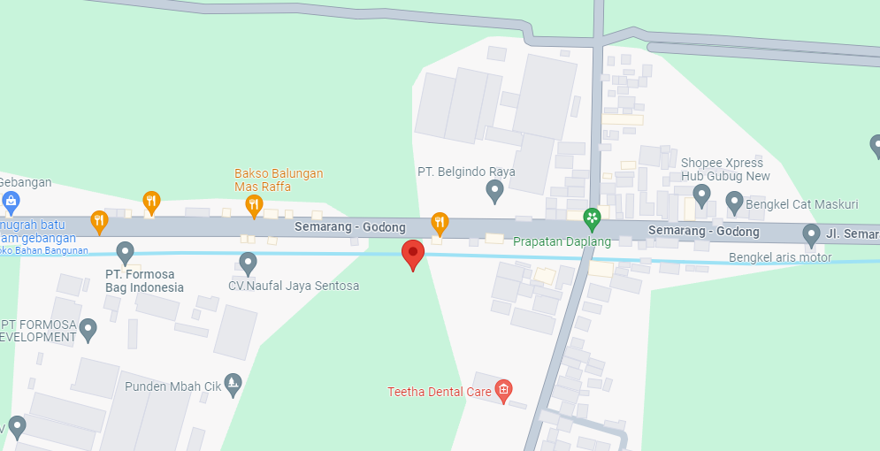
PETA LOKASI PELANGGAN

KOORDINAT LOKASI : '-7.051065,110.632173

SLD
SINGLE LINE DIAGRAM LOKASI PELANGGAN

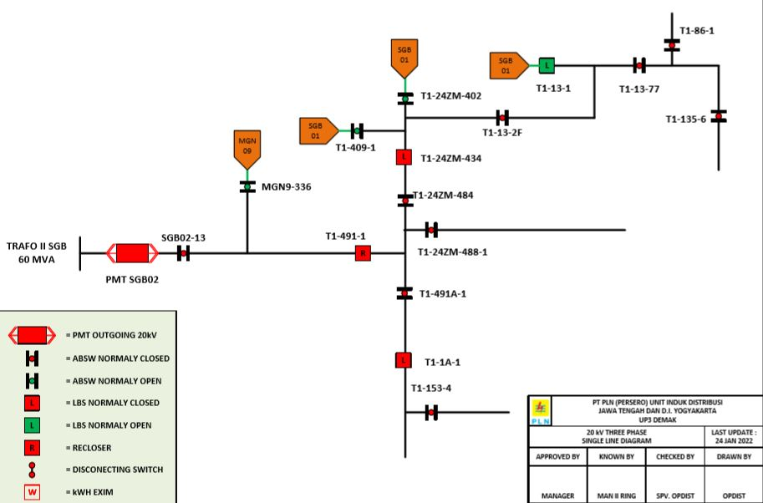

Lokasi Perumahan
PUTRA WAHID

